Sheet1
Project: |  | Binglewood Area Drainage and Paving (M-000293-0001-4)
Date: |  | 12/8/17
By: |  | KFH

 | Constituent Q&A

No. | Questions emailed on 10-09-17 from vicepresident@binglewood.org:
1. |  | For those with existing drainage systems into the ditches, how will these systems "tie into" the new drainage infrastructure? What are options homeowners will have? Will the city automatically connect to the end-of-pipe of a homeowner's lot drainage system?
 |  | Response: | Contractor to make connections of yard drains into roadway drainage system, contract has pay item "Extend Existing Yard Drain To Proposed Storm Sewer". [Resident identified buried yard drains at: 9010 Autauga, 3807 Peppermill Road]
2. |  | For those that are wheelchair bound or otherwise have significantly limited mobility, how will their access to driveway/house be affected? Will ramps be built?
 |  | Response: | The City will coordinate with the contractor for any identified special access need residences in initial phase of construction or as needs are identified. Specific accomodations for access with be reviewed with resident/community point of contact (Joanne Cortez). Note community (HOA) point of contact is listed in Contract document 01110 as to be invited to all construction progress meetings (typically once/ month), these will provide additional opportunity to identify/address special access needs. Past projects have always found a way to accomodate for the need. Constructing driveways in halves may be an option where widths allow use of one half at all times. [Special access needs: 4106 Mona Lee]
 | Questions emailed on 10-18-17 from vicepresident@binglewood.org:
3. |  | I see ONE buried yard drain identified on the City's Q&A at this time, does this mean it is the only one? For example, I have one that will need to be tied in (we uncovered it when I bought the home in April 2016 - potentially after your survey work was done). It works well (now that its outfall is unburied :)) Have I missed the opportunity? Can I pay to have it tied in? [Resident identified buried yard drains at: 9010 Autauga, 3807 Peppermill Road]
 |  | Response: | Yard drain tie-ins can be added to the construction project as they are identified. The contractor should discover these, but it would also be beneficial if residents are able to communicate this need. With yours just let me know the address, I'll post here which will be passed on to the contractor. Any others you become aware of is be glad to note to then communicate to the contractor.
4. |  | There is an upswell of communication around individual homeowners having the ability to also have the remainder of their driveway "redone". We totally understand that this is not the scope of your work and can add complications/delays/liability, etc. However, do you have guidance around opportunities we have to address this? Expect that this will be a major topic of discussion - we are trying to head it off at the pass...
 |  | Response: | Reconstructing resident driveways outside the limits of the City's project (typically ROW line else beyond into the private property as needed to maintain maximum acceptable driveway slopes, as communicated via City sent Right of Entry letters) is left for the resident to coordinate and negotiate with the contractor to be paid at resident's expense if so elected. I understand this is not unusual and shouldn't impact the City's construction progress as they need to complete work per schedule within the contract duration. We can discuss the best way to communicate to the contractor once we initiate contact with the contractor, feel free to remind me of this need once construction begins.

 | Questions emailed on 11-13-17 from vicepresident@binglewood.org:

5. | What is the current size of the storm sewer in the area of the intersection of Eldora and Mona Lee Ln. and what is the size of the proposed replacement?
 |  | Response: | Existing in Mona Lee Lane is 18” RCP to 24” RCP in Eldora Drive, Proposed is 42” in Mona Lee Lane to 48” in Eldora Drive.

6. | How long will driveways and street parking be inaccessible for residents?
 |  | Response: | Dependent on construction phasing plans, contractor will be developing their schedule in the coming weeks which will be available by the time of the first monthly Construction Progress Meeting in February 2018 (anticipated).

7. | Will we be able to access our driveways nightly during the period of construction in front of our residences?
 |  | Response: | The project provides for temporary driveways, so access will be maintained except for periods of time during lime stabilization of the base layer, rebar placement and recently placed concrete pavement.

8. | A resident at 4106 Mona Lee Ln. is wheelchair-dependent and has health conditions that occasionally require emergency services. A level, flat surface is required for him to access his lift van. What accommodations will be made for residents who require wheelchair access via lift gates to come and go from their homes during the period of construction?
 |  | Response: | Refer to response to Question #2.

9. | How will ambulance and fire department vehicles gain access in the event of an emergency during the time driveways and streets are inaccessible?
 |  | Response: | Streets will always have at a minimum one-way access (per the phasing plans).

10. | Will the main roads leading into the subdivision always be available to emergency vehicles?
 |  | Response: | Refer to response to Question #9.

11. | Will the water supply for emergencies always remain connected?
 |  | Response: | During construction here are the potential service interruptions: Waterline Replacement - notification 24 to 48 hours in advance (periodic, may last 2 to 4 hours); Accidental/Unplanned Interruption – the contractor will work quickly to restore services.

12. | Will water supply lines to homes remain connected throughout the construction?
 |  | Response: | New water lines will be installed while the old lines remain in service. Also see potential service interruptions in response to Question #11.

13. | Will the driveways on McKean between Clay and Eldora be affected by construction?
 |  | Response: | Driveways on McKean are typical of all streets, to be reconstructed along with the roadway. (Work performed in Phase 5)

14. | Binglewood has many senior residents. What accommodations and considerations will be provided for the elderly and persons with mobility challenges to assist them with access to and from their homes during construction on their street?
 |  | Response: | Refer to response to Question #2.

15. | Will construction on Eldora be completed before beginning the project on Mona Lee? If they overlap, by how many days will they overlap?
 |  | Response: | Reconstruction of Eldora is in the final phase (Phase 5). Mona Lee Lane (from Sonneville to Springview occurs in two earlier phases). Mona Lee Lane from Eldora to cul-de-sac south of Clay will occur later in Phase 5, after Eldora is reconstructed. No overlap, refer to Phasing plans.

16. | Are there plans to remove the tree in front of 4111 Mona Lee Lane ?
 |  | Response: | This 35” Live Oak tree will be protected during construction and receive clearance pruning. (tree #346 per plans)

17. | I provided permission for construction workers to perform driveway tie-in work potentially leading to digging 10 feet beyond the right of way. There is a 50+ year old oak tree near my northern property line in front of 4115 Mona Lee Ln. The branches hang well over my property at 4111 Mona Lee Ln. and the roots have encroached upon my driveway and under the street to a significant degree. The work to be completed will undoubtedly impact the stability of the tree. The current resident at 4115 Mona Lee Ln. reported she contacted Mr. Schneider and was informed that this tree is not scheduled for removal. I am requesting an on-sight review in my presence to re-consider this decision due to the precarious situation potentially leading to significant damage to my home and vehicles by a fallen tree caused by the construction.
 |  | Response: | This portion of the project occurs in the final phase of construction and the construction contract duration is 623 calendar days, so let's plan to meet to discsuss once the construction project begins. Preferrably we'd meet after a scheduled monthly Progress Meeting as the whole team will be on site (Contractor, Inspector, and myself the City of Houston staff Project Manager Kevin Hammond 832-395-2275).

18. | To what degree, and for how long, will sewer and water drainage along a street be impaired once construction is underway on that street?
 |  | Response: | Sewer is not being impacted in this project except for the few locations where it conflicts with other proposed utilities, then don't expect more than a few hours for interuption in the sanitary sewer service. Water lines will be replaced in this project, see response to Question #11 for potential interuptions and durations.

19. | Will removal and replacement of streets, curbs, gutters and driveways occur in segments, such as 2-3 houses at a time, or for the full length of the street at the same time?
 |  | Response: | Reconstruction will occur a block at a time,

20. | Will residents have an opportunity to work with the contractor responsible for the driveway tie-in repaving to arrange for the full driveway replacement? If so, who should be contacted to make the arrangements and how is this to be coordinated so that it does not interfere with progress on the drainage project?
 |  | Response: | Refer to response to Question #4.

21. | During Harvey the section of Autauga we live on (between 8930/31 and 8906/6) accumulated water much more than either end of the street. The end by Mona Lee as well as the end by the park were high and dry while we had water creeping up our driveways. With the roads being redone I would imagine this problem will go away on its own but I wanted to send it just in case it's helpful. [Question from Diana Banner]
 |  | Response: | Future storm events should have reduced water surface elevations as a result of this project's storm improvements, Autauga includes a 8'x4' box culvert on the east side of Mona Lee increasing to a 10'x5' box culvert within 400' and extending to the intersection with Valleyfield Drive.

 | Questions from Burke and Paula Allen emailed on 12-05-17
22. | The driveway located at 9010 Autauga in Sec. IV, is made with concrete pavers. 1) Who is responsible for the removal and replacement of the pavers? 2) Who is responsible for storing the pavers until the time of relaying? 3) Will there be a section of concrete provided between the street and paver driveway? a. If so, how much? b. Does the homeowner have any input in the amount of concrete work? c. How much notice will the homeowner have in order to coordinate this process?
 |  | Response:

23. | The water main for our homes in Binglewood has been recently replaced. 1) Will the new water main be replaced? 2) The COH water main currently runs parallel to the street and residents will be expecting the COH to run new water lines that connect to the homes. a. How long will the water be cut off? b. How much notice will the homeowner receive prior to the water being cut off? c. Who repairs/replaces water lines that are cut/damaged during this process?
 |  | Response:

24. | 9010 Autauga has two (2) surface drain pipes from catch basins located in the back and side yards that is directed to the buried storm sewer located adjacent/parallel to Autauga Street that drains to Brickhouse Gully. 1) Will the existing storm sewer pipe be left in place or removed? a. If removed, how & where will these (2) drains be piped? b. Can these (2) drain lines be connected to the new 5’ x 10’ storm sewer drain? c. Who will be responsible for the piping of these drains?
 |  | Response:

25. | What is the intention of the City of Houston to providing sidewalks or not providing sidewalks
 |  | Response:

26. | Does the City have any talking points regarding Sections 1 and 2? Is there anything as a Civic Club you suggest we should share with the sections who are NOT getting the project? Things for them to be aware of? We want to be sensitive to remaining a whole community even though only part is getting the improvement.
 |  | Response: | Please share a map or otherwise identify the limits of the Sections, need to first understand these limits to best respond.

 | Questions emailed on 11-13-17 from vicepresident@binglewood.org:
27. | Please see some photos attached I took of Brickhouse Gully yesterday at the NE corner of the former Pine Crest property. How long will this crucial drainage feature (which serves Binglewood) remain incapacitated and damaged at this location?
 |  | Response: | Brickhouse Gully is the jurisdiction of Harris County Flood Control District (HCFCD), as such they are the appropriate party to contact directly regarding concerns over repairs or improvemnts in their right-of-way. If you have been unable to get your concerns addressed by HCFCD let's plan to discuss this more after a future Monthly Progress Meeting once this project gets into construction where I'd be glad to visit the site to better understand the exact location and nature of the concern where the City can seek to use its channels of communication to bring this to HCFCD's attention. If this is felt to be an urgent need please make that clear to HCFCD and let me know now and I'll seek to bring this to HCFCD's attention now. (myself - Kevin Hammond at (832) 395-2275 or by email at pwecip@houstontx.gov including a reference to this WBS No. M-000293-0001-4)
 |  | 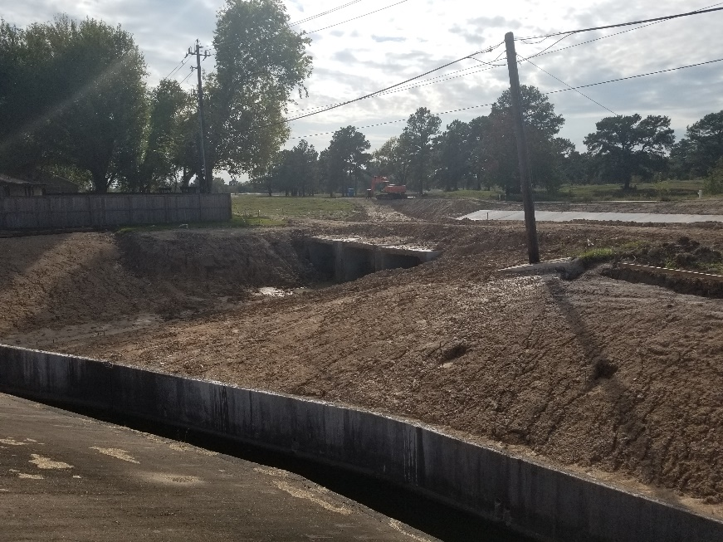 | 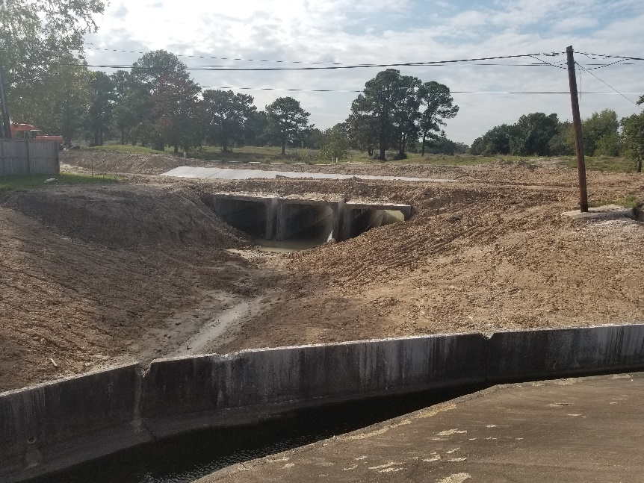 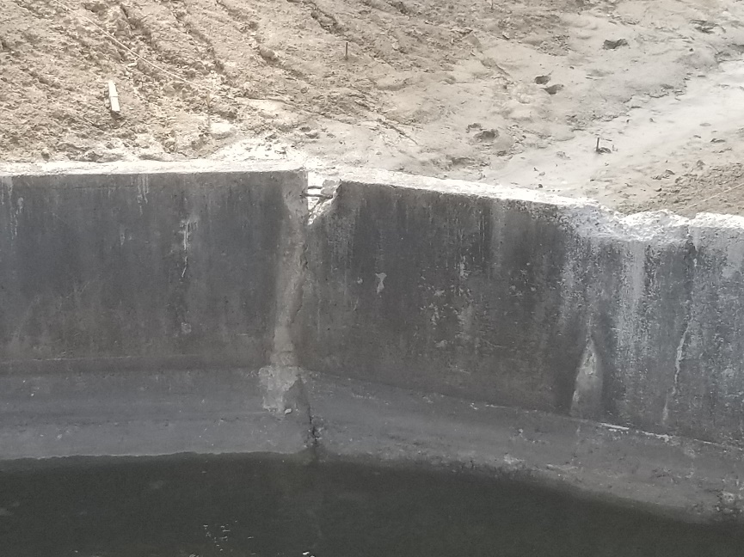

28. | Do expected drainage inputs into Brickhouse Gully from development at the former Pine Crest site render hydrologic and other calculations in current Binglewood Pave/Drain project engineering documents obsolete? Are there updates that should be made? Is there enough "buffer" in current plans to absorb all future drainage scenarios from development at Pine Crest? Can this be demonstrated to the Binglewood Community?
 |  | Response: | Brickhouse Gully is the jurisdiction of Harris County Flood Control District (HCFCD). HCFCD's policy is that projects provide no impact (no increase in flows for certain storm events) to their facilities post construction, this project met that critieria. All other projects whther they are public or private will need to meet that critieria.

29. | What will be/how will a "warranty period" look for work done? How will a process for final walk-through/sign off by neighborhood look? What resources do you typically need from a community for that?
 |  | Response:

30. | What is a typical process for progress meetings? weekly at trailer with a designated community member? what is process for forwarding questions to you throughout construction? we prefer all questions move through a focal in our neighborhood (e.g. joanne) to you...does this work?
 |  | Response:

31. | How are trash and/or mail delivery expected to be impacted?
 |  | Response: | Refer to Construction FAQs on the https://rebuildhouston.org/community-engagement after the 12-09-17 community engagement.

32. | What is the expected %slope of the driveway aprons that will be poured?
 |  | Response: | Maximum slope will be 12.5%.

33. | Will there be a backwater/swingcheck valve (or similar) between gully and park?
 |  | Response:

34. | What is the contractor organizational chart expected to look like? prime? subs? what services will subs perform, etc.?
 |  | Response:

35. | Can our designated rep (e.g. joanne) have a copy of contract with prime (subs if applicable) so we know what to expect in terms of reconstruction, grass, quality of fill expected, etc.?
 |  | Response:

36. | LIGHTS - we are VERY concerned about being in the dark for a long time
 |  | Response:

37. | What EXACTLY do we need to get you to have speed bumps installed during repaving. we have two locations that we are hoping to get one speed bump each. we will work this, what do you need? we have already applied to the city...
 |  | Response:

38. | Where are expected staging areas/hours of startup/shutdown?
 |  | Response:

39. | What can we expect in terms of job related cleanup/daily cover of trenches, etc.? we have see pictures of HANDFULLS of nails being picked up regularly in other neighborhood with similar projects...what if people complain about their tires?
 |  | Response:

